Statistics & Graph
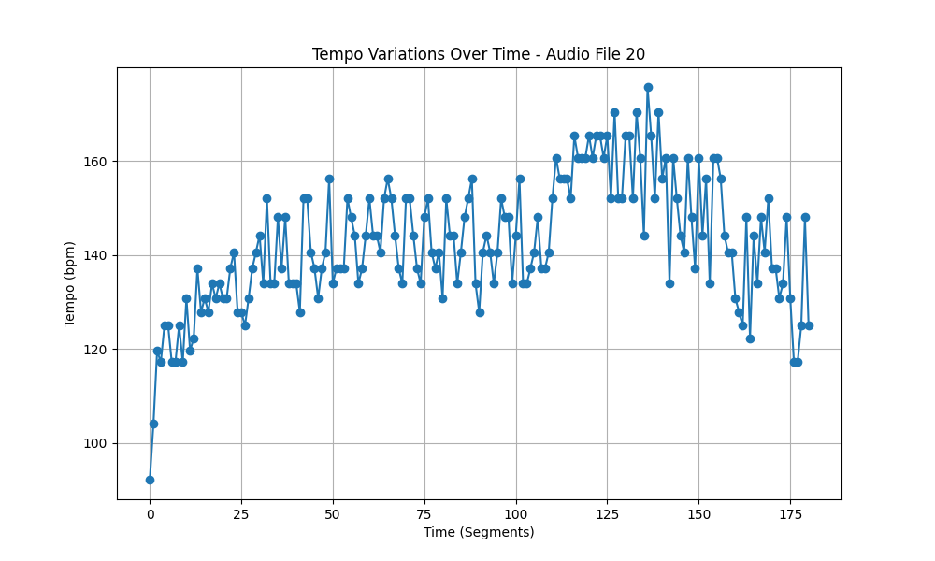
Metric | Value
Mean | 142.40398597
Standard Deviation | 13.577772294
Coefficient of Variation (CV) | 9.5346855644

